18 EU Net
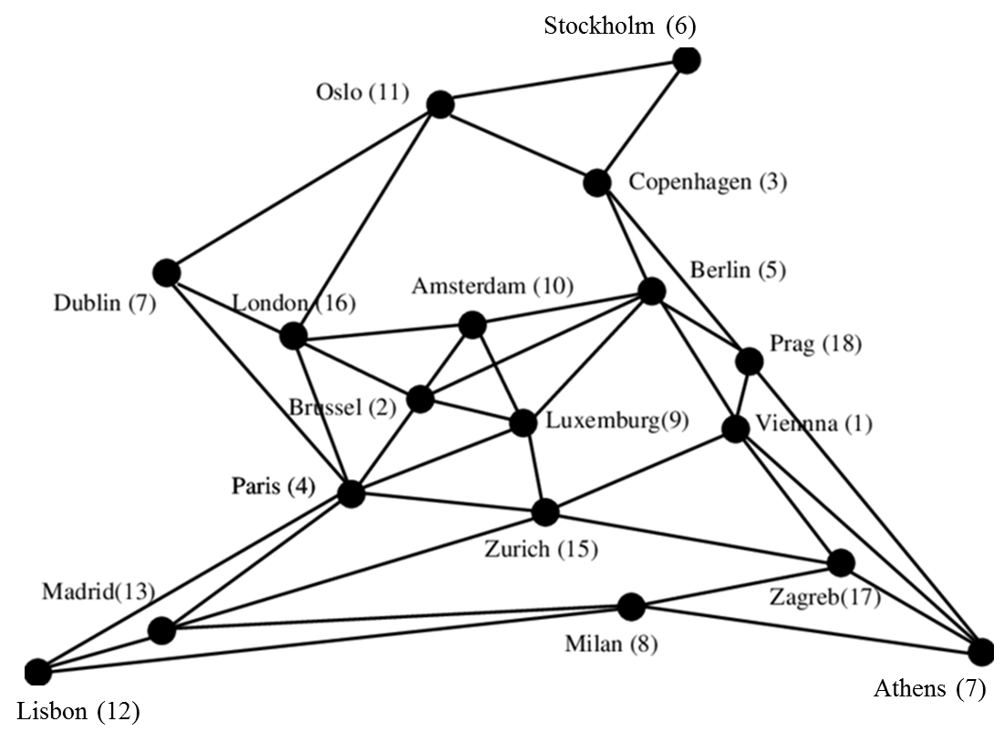
Node ID | Name |  | 1 | 2 | 3 | 4 | 5 | 6 | 7 | 8 | 9 | 10 | 11 | 12 | 13 | 14 | 15 | 16 | 17 | 18
1 | Vienna | 1 | 0 | 0 | 0 | 0 | 1 | 0 | 0 | 0 | 0 | 0 | 0 | 0 | 0 | 1 | 1 | 0 | 1 | 1 | 5
2 | Brussels | 2 | 0 | 0 | 0 | 1 | 1 | 0 | 0 | 0 | 1 | 1 | 0 | 0 | 0 | 0 | 0 | 1 | 0 | 0 | 5
3 | Copenhagen | 3 | 0 | 0 | 0 | 0 | 1 | 1 | 0 | 0 | 0 | 0 | 1 | 0 | 0 | 0 | 0 | 0 | 0 | 1 | 4
4 | Paris | 4 | 0 | 1 | 0 | 0 | 0 | 0 | 1 | 0 | 1 | 0 | 0 | 1 | 1 | 0 | 1 | 1 | 0 | 0 | 7
5 | Berlin | 5 | 1 | 1 | 1 | 0 | 0 | 0 | 0 | 0 | 1 | 1 | 0 | 0 | 0 | 0 | 0 | 0 | 0 | 1 | 6
6 | Stockholm | 6 | 0 | 0 | 1 | 0 | 0 | 0 | 0 | 0 | 0 | 0 | 1 | 0 | 0 | 0 | 0 | 0 | 0 | 0 | 2
7 | Dublin | 7 | 0 | 0 | 0 | 1 | 0 | 0 | 0 | 0 | 0 | 0 | 1 | 0 | 0 | 0 | 0 | 1 | 0 | 0 | 3
8 | Milan | 8 | 0 | 0 | 0 | 0 | 0 | 0 | 0 | 0 | 0 | 0 | 0 | 1 | 1 | 1 | 0 | 0 | 1 | 0 | 4
9 | Luxemburg | 9 | 0 | 1 | 0 | 1 | 1 | 0 | 0 | 0 | 0 | 1 | 0 | 0 | 0 | 0 | 1 | 0 | 0 | 0 | 5
10 | Amsterdam | 10 | 0 | 1 | 0 | 0 | 1 | 0 | 0 | 0 | 1 | 0 | 0 | 0 | 0 | 0 | 0 | 1 | 0 | 0 | 4
11 | Oslo | 11 | 0 | 0 | 1 | 0 | 0 | 1 | 1 | 0 | 0 | 0 | 0 | 0 | 0 | 0 | 0 | 1 | 0 | 0 | 4
12 | Lisbon | 12 | 0 | 0 | 0 | 1 | 0 | 0 | 0 | 1 | 0 | 0 | 0 | 0 | 1 | 0 | 0 | 0 | 0 | 0 | 3
13 | Madrid | 13 | 0 | 0 | 0 | 1 | 0 | 0 | 0 | 1 | 0 | 0 | 0 | 1 | 0 | 0 | 1 | 0 | 0 | 0 | 4
14 | Athens | 14 | 1 | 0 | 0 | 0 | 0 | 0 | 0 | 1 | 0 | 0 | 0 | 0 | 0 | 0 | 0 | 0 | 1 | 1 | 4
15 | Zürich | 15 | 1 | 0 | 0 | 1 | 0 | 0 | 0 | 0 | 1 | 0 | 0 | 0 | 1 | 0 | 0 | 0 | 1 | 0 | 5
16 | London | 16 | 0 | 1 | 0 | 1 | 0 | 0 | 1 | 0 | 0 | 1 | 1 | 0 | 0 | 0 | 0 | 0 | 0 | 0 | 5
17 | Zagreb | 17 | 1 | 0 | 0 | 0 | 0 | 0 | 0 | 1 | 0 | 0 | 0 | 0 | 0 | 1 | 1 | 0 | 0 | 0 | 4
18 | Prag | 18 | 1 | 0 | 1 | 0 | 1 | 0 | 0 | 0 | 0 | 0 | 0 | 0 | 0 | 1 | 0 | 0 | 0 | 0 | 4

 |  |  |  |  | 1 | 5 | 523.65
 |  |  |  |  | 1 | 14 | 1,282.81
 |  |  |  |  | 1 | 15 | 592.08
 |  |  |  |  | 1 | 17 | 264.89
 |  |  |  |  | 1 | 18 | 257.57
 |  |  |  |  | 2 | 4 | 264.67
 |  |  |  |  | 2 | 5 | 649.65
 |  |  |  |  | 2 | 9 | 187.75
 |  |  |  |  | 2 | 10 | 173.80
 |  |  |  |  | 2 | 16 | 320.73
 |  |  |  |  | 3 | 5 | 356.47
 |  |  |  |  | 3 | 6 | 520.86
 |  |  |  |  | 3 | 11 | 482.49
 |  |  |  |  | 3 | 18 | 634.82
 |  |  |  |  | 4 | 7 | 778.99
 |  |  |  |  | 4 | 9 | 288.98
 |  |  |  |  | 4 | 12 | 1,452.69
 |  |  |  |  | 4 | 13 | 1,051.97
 |  |  |  |  | 4 | 15 | 790.25
 |  |  |  |  | 4 | 16 | 342.15
 |  |  |  |  | 5 | 9 | 601.36
 |  |  |  |  | 5 | 10 | 574.74
 |  |  |  |  | 5 | 18 | 279.52
 |  |  |  |  | 6 | 11 | 417.26
 |  |  |  |  | 7 | 11 | 1,264.39
 |  |  |  |  | 7 | 16 | 463.32
 |  |  |  |  | 8 | 12 | 1,683.33
 |  |  |  |  | 8 | 13 | 1,188.19
 |  |  |  |  | 8 | 14 | 1,461.92
 |  |  |  |  | 8 | 17 | 527.92
 |  |  |  |  | 9 | 10 | 320.21
 |  |  |  |  | 9 | 15 | 304.56
 |  |  |  |  | 10 | 16 | 357.25
 |  |  |  |  | 11 | 16 | 1,153.22
 |  |  |  |  | 12 | 13 | 502.90
 |  |  |  |  | 13 | 15 | 1,246.97
 |  |  |  |  | 14 | 17 | 1,083.54
 |  |  |  |  | 14 | 18 | 1,535.06
 |  |  |  |  | 15 | 17 | 591.66

